Floral Ideas
This will be a great day, but we will have better ones
Floral Ideas
Description | Specific flowers / colors | Vessels | Location / People | Event | Inspiration | Additional Insp | Notes
EXAMPLE - Smaller bud vases down the table | Smaller buds, tulips & anemones | Bud vases | Tablescapes | Garden party Bridal Shower | 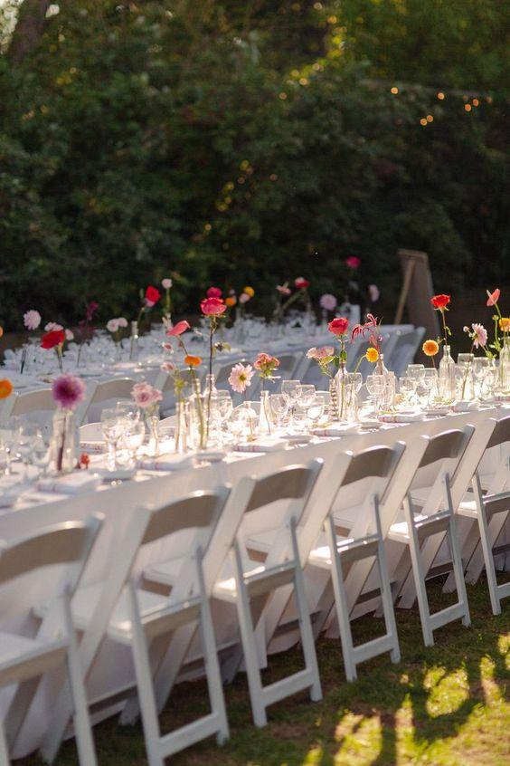
EXAMPLE - Lush colorful bouquets | Lush florals intermixed with greenery | Baskets | Behind last row of chairs in ceremony, near DJ stand in reception | During ceremony / moved into reception space | 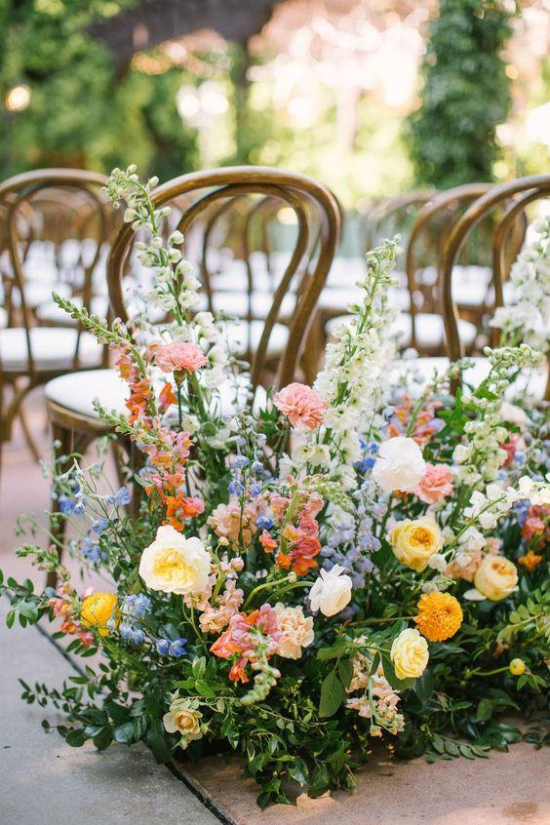
EXAMPLE - Intermixed with candles, bright florals | Smaller buds and statement florals anemones | Bud vases and candle holders | Kings table | During reception | 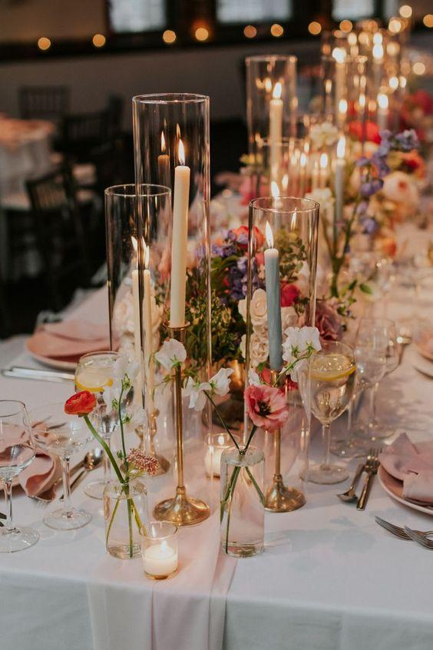 | 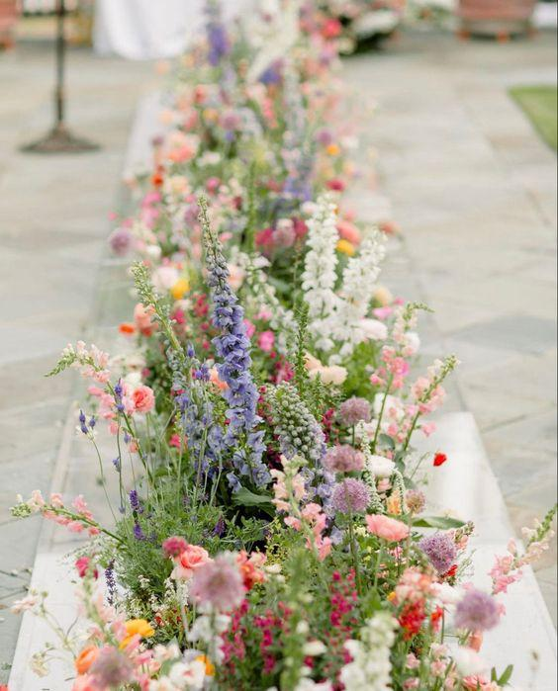

Photography Shotlist
In the top menu, File -> select "Make a Copy"
Photography Shot List
Shot | People | Props | Time of Day | Location | Inspiration | Notes
EXAMPLE - Game day photos for the groomsmen | Groom, Bestman, Groomsmen | Suit Bags / Duffle Bag | Prior to Ceremony | Ceremony Lawn | 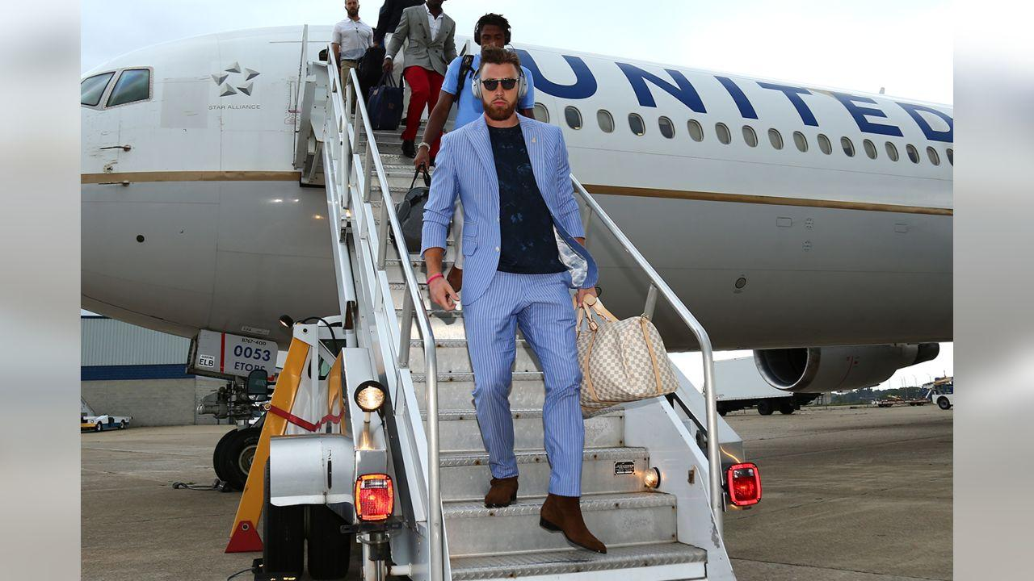
EXAMPLE - Super8 Style car photos | Bride & Groom | N/A | After Ceremony, on the way to reception | Getaway Car | Insert > Image > Into Cell I also recommend saving the images in a powerpoint or pinterest board to share with your photographer

